Tabelle1
Calculation tool preheating time Acetylene vs. Propane
Date: 25. of March 2020

 | Field visibility for customer:
 | Input field for customer | Workpiece (see drawing below) | L1 - Width of the preheated zone in mm. (min. 75 mm): |  | 75
 | Input field for customer |  | L2 - Wall thickness in mm: |  | 20 |  |  | Specific heat capacity (steel) in J/kgK: | 490
 | Input field for customer |  | L3 - Length of the preheated zone in mm.: |  | 4000
 | Calculation - shown to the customer | Workpiece weight in kg (calculation for max. 10.000kg): |  |  | 94.2 |  |  | Calorific values primary flame in kWh/m³: | Acetylene | Propane
 | Input field for customer | T start in °C: |  |  | 15 |  |  |  | 5.25 | 2.90
 | Input field for customer | T target in °C: |  |  | 60
 | Calculation - shown to the customer | Delta-T in °C: |  |  | 45 |  |  | Fuel gas consumption per nozzle in m³/h: | 0.15 | 0.15
 | Not shown, only calculation in the background | Number of nozzles (max.165 nozzles): |  |  | 16
 | Calculation - shown to the customer | Theoretical heating time in minutes: |  | ACETYLENE | 3.05 |  |  | Efficiency: | 0.9 | 0.70 | lower because of lower flame speed
 | Calculation - shown to the customer |  |  | PROPANE | 7.11

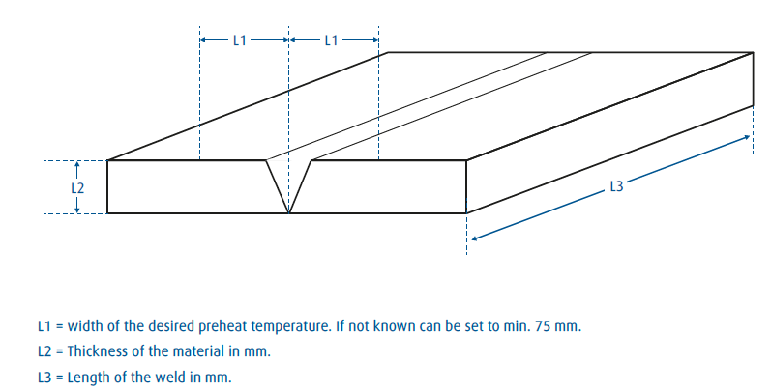
 |  |  |  |  |  |  |  | Workpiece | Number of
 |  |  |  | Fixed parameters |  |  |  | weight in kg | nozzles
 |  |  |  | Input fields
 |  |  |  | Calculated fields - not shown to customer |  |  |  | 1-1000 | 16
 |  |  |  | Calculated fields - shown to customer |  |  |  | 1001-2000 | 33
 |  |  |  |  |  |  |  | 2001-3000 | 49
 |  |  |  |  |  |  |  | 3001-4000 | 66
 |  |  |  |  |  |  |  | 4001-5000 | 82
 |  |  |  |  |  |  |  | 5001-6000 | 99
 |  |  |  |  |  |  |  | 6001-7000 | 115
 |  |  |  |  |  |  |  | 7001-8000 | 132
 |  |  |  |  |  |  |  | 8001-9000 | 148
 |  |  |  |  |  |  |  | 9001-10000 | 165

 |  |  |  |  |  |  | Energy need in kJ: | Power primary flame per nozzle in kW: | Total power primary flame in kW:
 |  |  |  |  |  | Acetylene | 2077.11 | 0.7 | 11.3
 |  |  |  |  |  | Propane | 2077.11 | 0.30 | 4.87

 |  |  |  |  |  | Number of nozzles

